Gross Revenues Basic
CARES Act Provider Relief Fund

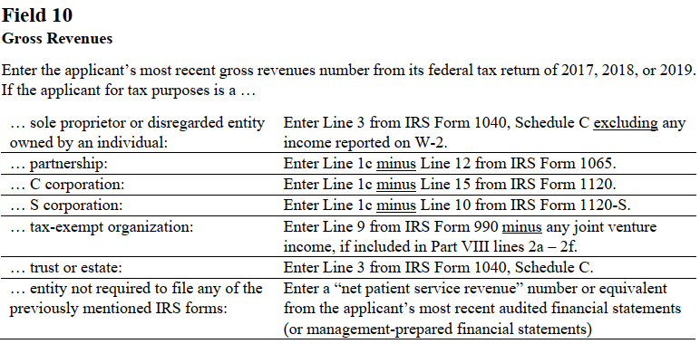

 |  | Gross Revenue | $-

 | Below enter applicant's gross revenues that represent amounts received for patient care rendered for the same fiscal year selected in Page 1. These revenues include pharmacy revenue derived through the 340B program and should EXCLUDE non-patient care revenue, e.g., insurance, retail, or real estate revenues.

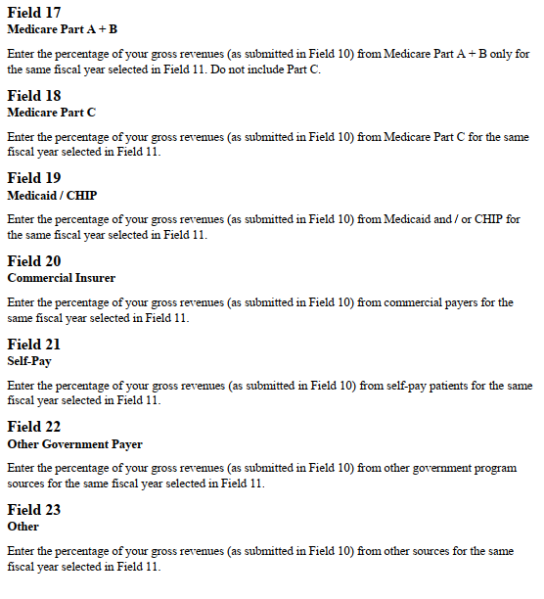
 |  | (17) Medicare Part A + B: | $-

 |  | (18) Medicare Part C: | $-

 |  | (19) Medicaid: | $-

 |  | (20) Commercial Insurer: | $-

 |  | (21) Self-Pay: | $-

 |  | (22) Other government payer: | $-

 |  | (23) Other: | $-

 |  | Total Pt Revenues | $-

Gross Revenues Adjusted
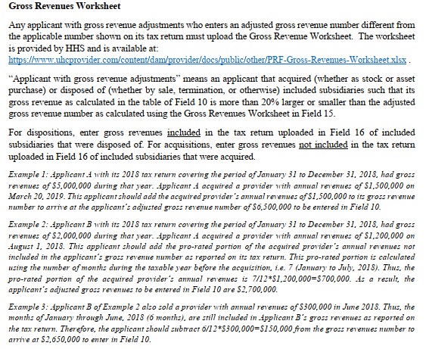
CARES Act Provider Relief Fund
Gross Revenues Worksheet (Form 1.0)
(1) Name as shown on your federal income tax return:
0
(2) Taxpayer identification number (enter without dashes):
0.00
(3) Gross Revenues minus discounts and allowances as shown on the applicant's federal tax return (see the table in the instructions for Field 10):
$0
(4) Adjusted Gross Revenues --> Enter in Field (10) on the application form
$0
(5) Acquisition and Disposition Information
(a) |  | (b) |  | (c) |  | (d) |  | (e)
Number | * | Acquisition (A) or Disposition (D) | * | Name of entity or asset | * | Gross revenues of entity or asset | * | TIN of entity, if available
Example 1 | * | A | * | Applicant A | * | $1,500,000 | * |  | * | A | * | Sample City Hospital, LLC | * | $50,000,000 | * | 123456789
Example 2 | * | A | * | Applicant B | * | $700,000 | * |  | 0
Example 3 | * | D | * | Applicant B | * | $150,000 | * |  | 0
1 | * |  |  |  |  |  | * |  | 0
2 | * |  |  |  |  |  | * |  | 0
3 | * |  |  |  |  |  | * |  | 0
4 | * |  |  |  |  |  | * |  | 0
5 | * |  | * |  | * |  | * |  | 0
6 | * |  | * |  | * |  | * |  | 0
7 | * |  | * |  | * |  | * |  | 0
8 | * |  | * |  | * |  | * |  | 0
9 | * |  | * |  | * |  | * |  | 0
10 | * |  | * |  | * |  | * |  | 0
11 | * |  | * |  | * |  | * |  | 0
12 | * |  | * |  | * |  | * |  | 0
13 | * |  | * |  | * |  | * |  | 0
14 | * |  | * |  | * |  | * |  | 0
15 | * |  | * |  | * |  | * |  | 0
16 | * |  | * |  | * |  | * |  | 0
17 | * |  | * |  | * |  | * |  | 0
18 | * |  | * |  | * |  | * |  | 0
19 | * |  | * |  | * |  | * |  | 0
20 | * |  | * |  | * |  | *

